1. Title Page
Instacart Grocery Basket Analysis

Project Name: Instacart Grocery Basket Analysis
Date: 5/6/23
Analyst Name: Jonathan Sok

Contents:
Population Flow
Consistency checks
Wrangling steps
Column derivations
Visualizations
Recommendations

Citations:

-- "The Instacart Online Grocery Shopping Dataset 2017", Accessed from www.instacart.com/datasets/grocery-shopping-2017 via Kaggle

Note: | Customer data and "prices" column in the products data set were both fabricated for the purposes of this analysis.

2. Population Flow
Title page

Population flow

Exclusion flag
Condition: max_order < 5
Obervations to be removed: 1,440,295
Final total count of order_products_all: 30,964,564

Orders_products_combined
Orders_products_merged
Orders_products_all

Total: 32,404,859
Total: 32,434,488
Total: 32,404,859

1.) The grey boxes in the first row of the population flow represent the original data sets as they were when you downloaded them. In the Total fields you need to add the count of the rows when you imported the data set into Jupyter.
2.) The second row of boxes (coloured) represents the data sets after you manipulated them, e.g., removed missing values and duplicates. In the Total fields you need to add the count of the rows after conducting these operations. This offers a visual oveview of how the data flows throughout the data consistency checks.
3.) The third row, where also the arrows are coloured, represents the merges you performed between the datasets. In the Total fields you need to add the count of the rows in the merged datasets, so that you end up with the final dataset (in the red box). Keep in mind the final dataset should be without exclusions (based on the exclusion flag).

3. Consistency checks
 |  |  |  | Title page
Consistency checks

Dataset | Missing values | Missing values treatment | Duplicates
orders | 206209 | leave alone; days_since_last_order can contain missing values since customers may have not ordered yet. | None
products | 16 | Subset products_clean to exclude products with missing product name | 5
orders_products_all | None | Used crosstab and confirmed 'days_since_prior_order' column's missing values fall into 'order_number' column equalling 1, meaning, there aren't any days prior to a first order. | None
customers | 11259 | only 'first_name' values are missing and 'last_name' is at least present. No extra steps taken since surname will suffice. | None

4. Wrangling steps
 |  |  |  | Title page
Wrangling steps

Columns dropped | Columns renamed | Columns' type changed | Comment/Reason
eval_set |  |  | extraneous information
 | order_dow |  | Name changed to "order_day_of_week" for clarity
 |  | order_id | from df_ords; changed to str
 |  | user_id | from df_ords; changed to str
 |  | first_name | from customers; changed to str

5. Column derivations
 |  |  |  | Title page

Column derivations and aggregations

In this tab you should add tables below that the frequences of flags/label variables that you produced after deriving them. NB: don't do this for continuous variables, only for flags.
Dataset | New column | Column/s it was derived from | Conditions
orders_products_merged | price_range_loc | prices | Low-range product ≤ 5; Mid-range product ≤ 15 & > 5; High-range product > 15
orders_products_merged | Busiest_day or Busiest_days | order_day_of_week | Busiest days if x == 0 or 1; Regularly busy if x == 6, 2, or 5; Slowest days if x == 4 or 3 (x represents day of week)
orders_products_merged | Busiest_period_of_day | order_hour_of_day | Most orders if x == 10, 11, 14, 15, 13, 12, 16, 9; Average orders if x == 17, 8, 18, 19, 20, 7, 21, 22; Fewest orders if x == 23, 6, 0, 1, 5, 2, 4, 3 (x represents hour of day)
orders_products_merged | loyalty_flag | max_order, user_id, order_number | Loyal customer if max_order > 40; Regular customer if max_order > 10 & ≤ 40; New customer if max_order ≤ 10
orders_products_merged | spending_flag | avg_order_price, user_id, prices | Low spender if avg_order_price < 10; High spender if avg_order_price ≥ 10
orders_products_merged | order_freq_flag | median_dspo, user_id, days_since_prior_order | Non-frequent customer if median_dspo > 20; Regular customer if median_dspo > 10 & ≤ 20; New customer if median_dspo ≤ 10

6. Visualizations
 | Title page

Visualisations

In this tab you should include all the visualizations from Exercises 4.9 and 4.10, alongside the questions from the project brief that they answer. Include any commentary on the relationship between different variables.

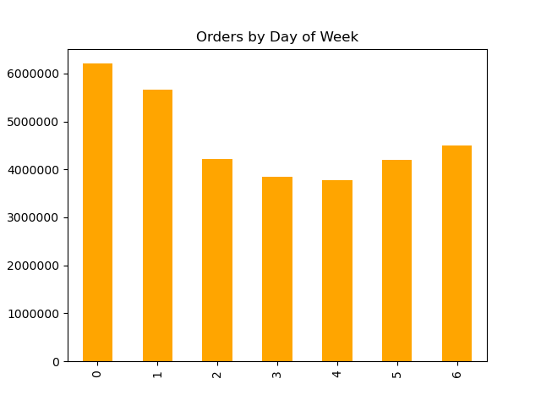
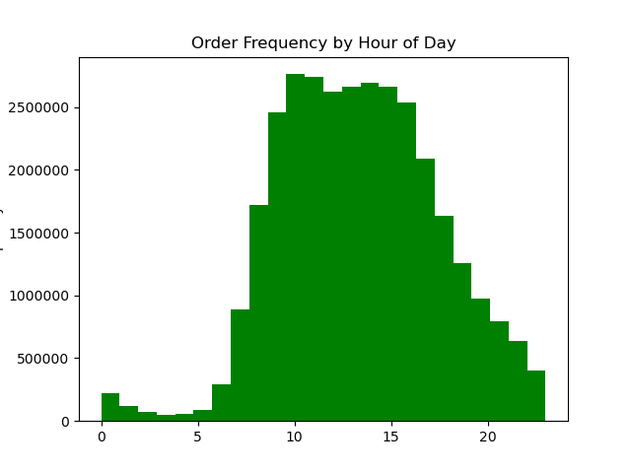

What are the busiest days of the week? |  | What are the busiest hours of the day?

Days 0 and 1 are the busiest, which are Saturday and Sunday, respectively. This shows how weekends are the most popular days to shop at Instacart. |  | Hours 9 through 16 are the highest order frequencies, which are 9am - 2pm. The least amount of orders are in the early mornings, since most people are asleep, while the most amount of orders occur in the middle of the day, when most people are awake.


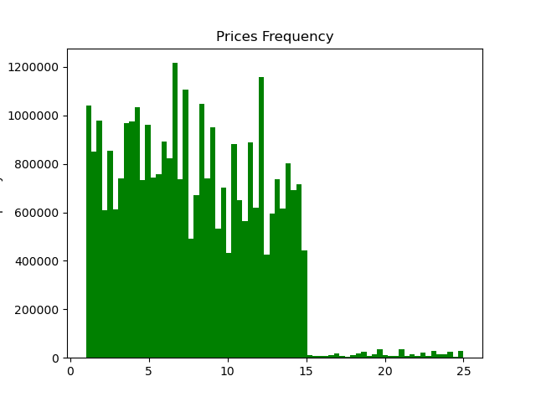

What times of the day do people spend the most money? |  | How can Instacart implement simpler price range groupings to help direct efforts?

According to the line chart, customers spend the most money in the early to late morning hours of the day. Below is a sample, however, with the light blue shades indicating confidence intervals. |  | Upon doing Data clean-up, or more specifically, fixing typos, the price ranges at Instacart is from 0 to $25. And according to the histogram, Instacart can range their price groupings into two: 0-15 dollars and 15-25 dollars. The drastic difference in frequency between these two price bins depict this grouping.

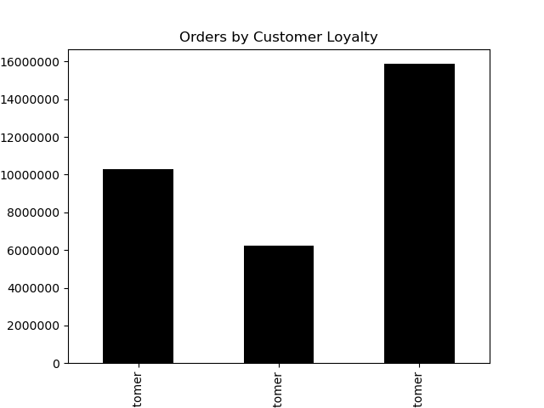
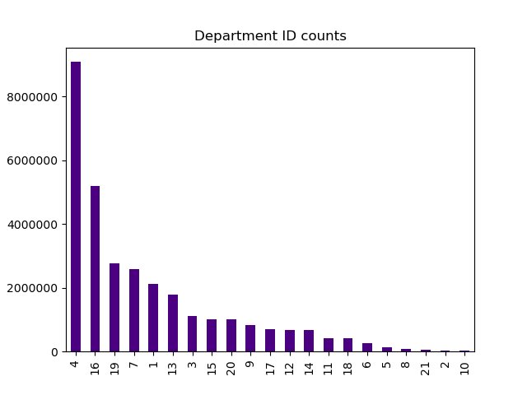

What is the distribution among users in regards to brand loyalty? |  | Are there certain types of products that are more popular than others?

Instacart's customers are mostly Regular customers, followed by Loyal customers and New customers. About 16,000,000 Cutomers are Regular (~50% of customers), about 10,000,000 are Loyal, and about 6,000,000 customers are New. |  | The produce (4) and dairy eggs (16) departments are by far the most popular Instacart departments. Out of 32 million recorded orders, these two departments make up about 40% of the total orders.

Are there differences in ordering habits based on a customer's region?

After classifiying customers by detailed profiles, no significant differences occurred in ordering habits by customer's region, so much so that the top 4 customer profile rankings remain unchanged. The only changes were in higher or lowers quantities due to US regions' disparity in number of states. (see visuals on the right)

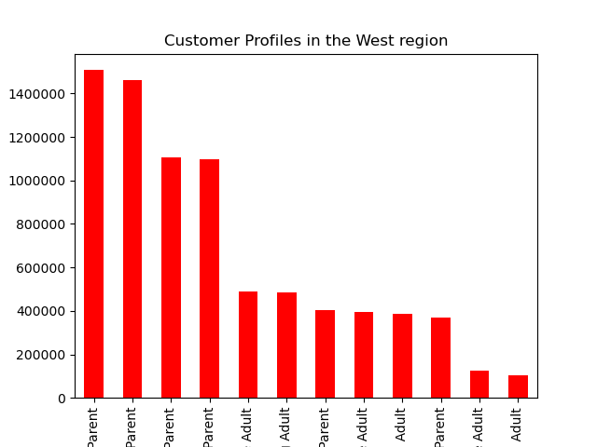
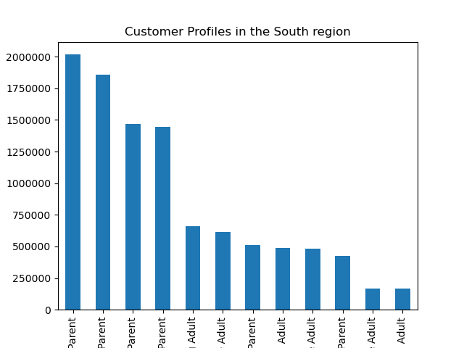
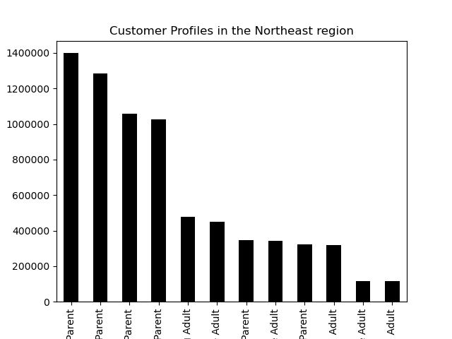
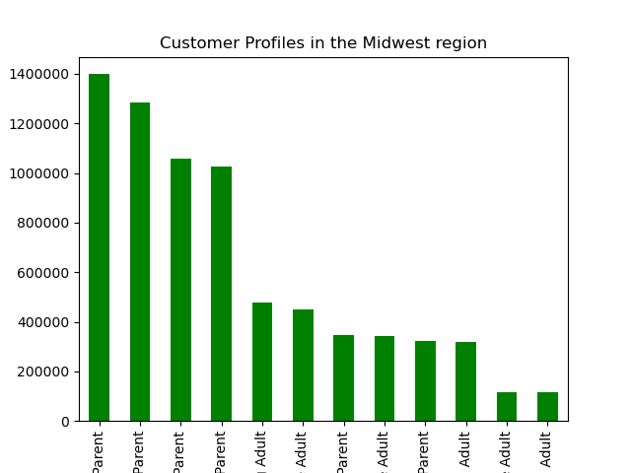

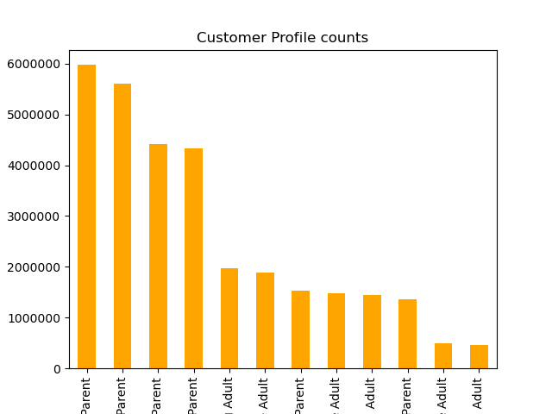
What different classifications does the demographic information suggest?

According to the customer information provided by Instacart data, 12 classifications were found to organize customer information by income, age, and marital status. Income was split into 3 categories (Low, Middle, Upper class), Age was split into 2 categories (Young, Old), and marital status was split into 2 categories (Single, Married). This information suggests most Instacart customers are parents and/or middle class, which should be the target Instacart marketing audience.

Customer profiles split by Food & Drink/Other Departments

Much like the distribution among US Regions, the customer profile behavior remains unchanged across these Department categories.
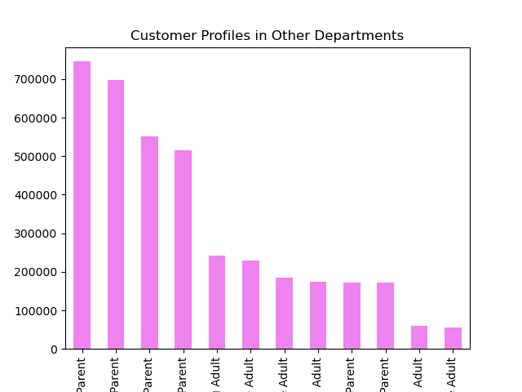
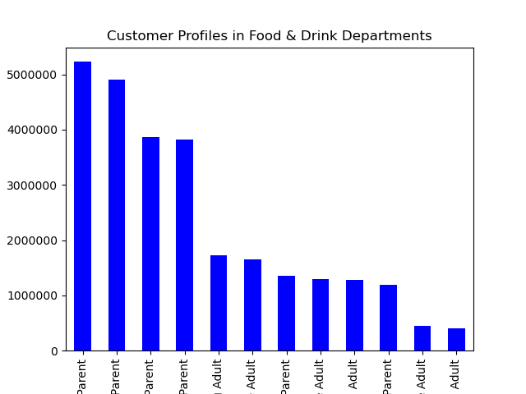

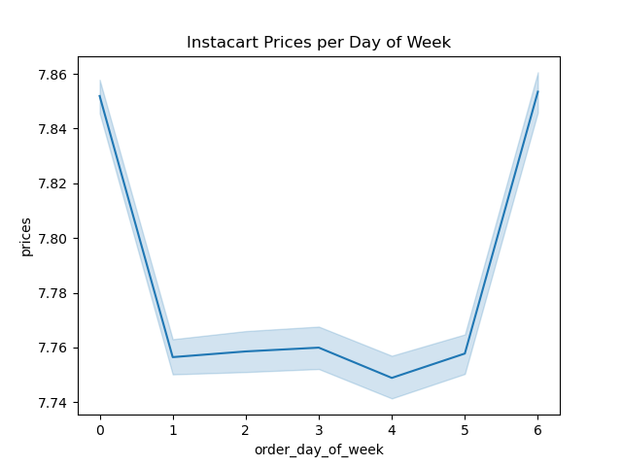



Scatterplot of Customer Income by Age |  | Line chart of Instacart prices per day of week

The distribution of data shown indicates customers under 40 years old, can earn up to 400,000 dollars and majority fall into 0-200,000 dollars. On the other hand, customers over 40 can earn up to 600,000 dollars and majority of this age group earns anywhere from 0-300,000 dollars. |  | This line chart depicts the most expensive orders, on average, are taken place on Saturday (dow = 0) and Friday (dow = 6), which would be smart to monitor prices on the weekends as opposed to weekdays,

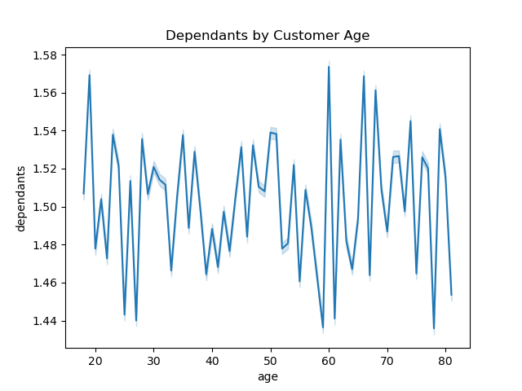

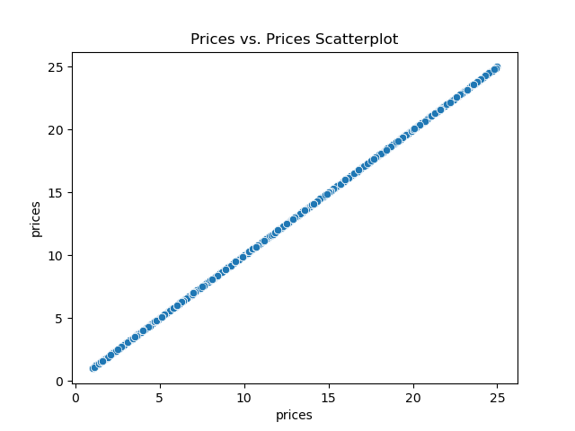

Line graph of Number of Dependants by Customer Age |  | Scatterplot of Prices vs. Prices data in products dataframe

This line graph indicates the variability and unpredictability in customer's dependants by age. Lots of factors could play into this data, such as health concerns, life decisions, children becoming independent, etc. |  | This scatterplot reveals a one to one relationship, with a correlation coefficient of 1, which is to be expected since both x and y axis are the same variable.

7. Recommendations
 |  | Title page

Recommendations

In this tab you should include any recommendations you would made to Instcart in terms of their marketing strategy based on the questions posed in the brief. Every key question has been covered in the Tasks of the Exercises - here you need to add an item - a visualisation or table/crosstable that is showing the answer in the data, acompanied by a comment from you. Please, list the questions below and add the answer underneath.

Question | Answer
What are the busiest days of the week and busiest hours of the day? | According to the bar graph visual, Saturdays and Sundays are the busiest days (days 0 & 1), and anytime between 9am and 2pm are the busisest hours (hours 9 -16). I would recommend focusing on these hours as prime hours/days for Instacart shopping.
What times of the day do people spend the most money? | According to the line chart, customers spend the most money in the early to late morning hours of the day. Below is a sample, however, with the light blue shades indicating confidence intervals. I would recommend detailing categories or departments most popular among customers who make large purchases in these time frames.
How can Instacart implement simpler price range groupings to help direct efforts? | Upon doing Data clean-up, or more specifically, fixing typos, the price ranges at Instacart is from 0 to $25. And according to the histogram, Instacart can range their price groupings into two: 0-15 dollars and 15-25 dollars.
Are there certain types of products that are more popular than others? | The produce (4) and dairy eggs (16) departments are by far the most popular Instacart departments. Because these are the most popular products, perhaps displaying these products on the Instacart frontpage will allow for ease of use.
What is the distribution among users in regards to brand loyalty? | Instacart's customers are mostly Regular customers, followed by Loyal customers and New customers. About 16,000,000 Cutomers are Regular, about 10,000,000 are Loyal, and about 6,000,000 customers are New. I would recommend implementing or adjusting the Loyalty program in order for more Regular customers to "convert" to Loyal customers - perhaps more discounts and perks on popular department items.
Are there differences in ordering habits based on a customer's region? | After classifiying customers by detailed profiles, no significant differences occurred in ordering habits by customer's region, so much so that the top 4 customer profile rankings remain unchanged. The only changes were in higher or lowers quantities due to US regions' disparity in number of states. The lack of disparity among customer ordering habits can be used to our advantage, as we can cater to the more popular demographics - parents and/or middle class! (see visuals on the right)
What different classifications does the demographic information suggest? | According to the customer information provided by Instacart data, 12 classifications were found to organize customer information by income, age, and marital status. Income was split into 3 categories (Low, Middle, Upper class), Age was split into 2 categories (Young, Old), and marital status was split into 2 categories (Single, Married). This information suggests most Instacart customers are parents and/or Middle class, which should be the target Instacart marketing audience.

